Sheet1
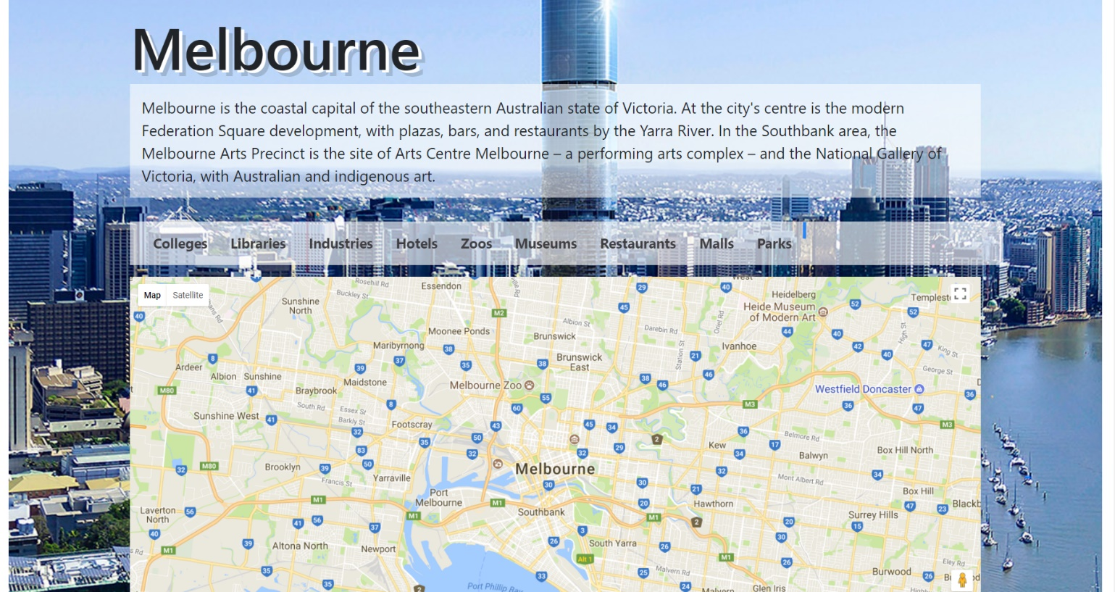
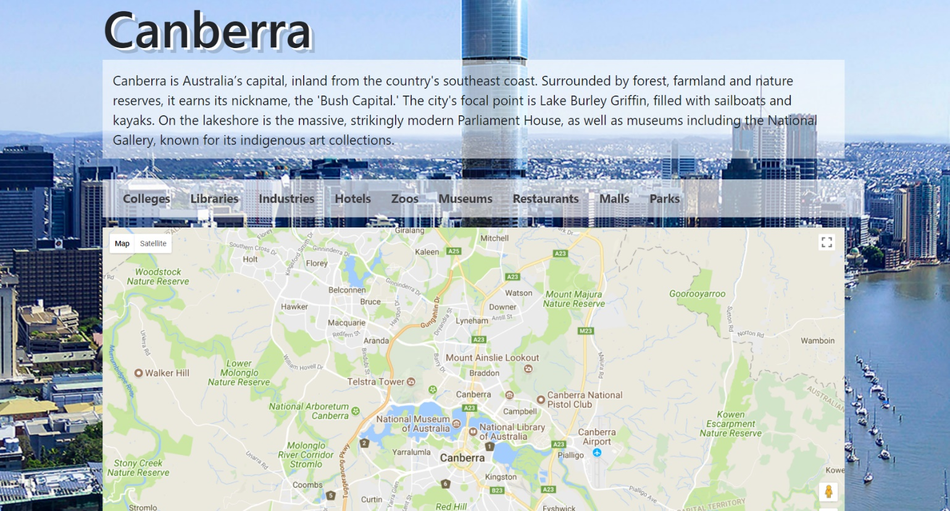
 | Project Name | SmartCity
 | Testing for | Australia Map (User Story 17)
 | Reference Document | https://docs.google.com/presentation/d/1Wj1gfeDXKx2f4O7jzaHUTRA477gmRZlwqt2R0SlHB9I/edit?usp=sharing
 | Created by | Zhi Choon Ng
 | Date of Creation | 30th October 2017
 | Date of Review | 30th October 2017

Test case ID | Test Objective | Precondition | Steps | Test data | Expected result/Acceptance criteria | Post condition | Test status
TC_S17_01 | Users can view the map of the city of Sydney | 1. The test machine should be already setup to the run the Django server at http://127.0.0.1:8000 2. User should be logged onto a non-admin profile. *Can be accessed through admin, but to simulate real test case as a user, a user profile is used instead | 1. From the Home page, click Cities on the Navigation bar 2. Once loaded, choose Sydney |  | Users should be switched to the Syndney database, allowing them to view Sydney in the Google Maps, as well as view Sydney Point of Interests. |  | Passed
TC_S17_02 | Users can view the map of the city of Adelaide. | 1. The test machine should be already setup to the run the Django server at http://127.0.0.1:8000 2. User should be logged onto a non-admin profile. *Can be accessed through admin, but to simulate real test case as a user, a user profile is used instead | 1. From the Home page, click Cities on the Navigation bar 2. Once loaded, choose Adelaide |  | Users should be switched to the Adelaide database, allowing them to view Adelaide in the Google Maps, as well as view Adelaide Point of Interests. |  | Passed
TC_S17_03 | Users can view the map of the city of Melbourne. | 1. The test machine should be already setup to the run the Django server at http://127.0.0.1:8000 2. User should be logged onto a non-admin profile. *Can be accessed through admin, but to simulate real test case as a user, a user profile is used instead | 1. From the Home page, click Cities on the Navigation bar 2. Once loaded, choose Melbourne |  | Users should be switched to the Melbourne database, allowing them to view Melbourne in the Google Maps, as well as view Melbourne Point of Interests. |  | Passed
TC_S17_04 | Users can view the map of the city of Canberra. | 1. The test machine should be already setup to the run the Django server at http://127.0.0.1:8000 2. User should be logged onto a non-admin profile. *Can be accessed through admin, but to simulate real test case as a user, a user profile is used instead | 1. From the Home page, click Cities on the Navigation bar 2. Once loaded, choose Canberra |  | Users should be switched to the Canberra database, allowing them to view Canberra in the Google Maps, as well as view Canberra Point of Interests. |  | Passed

Test Case 1 Result: Sydney |  |  |  | Test Case 2 Result: Adelaide
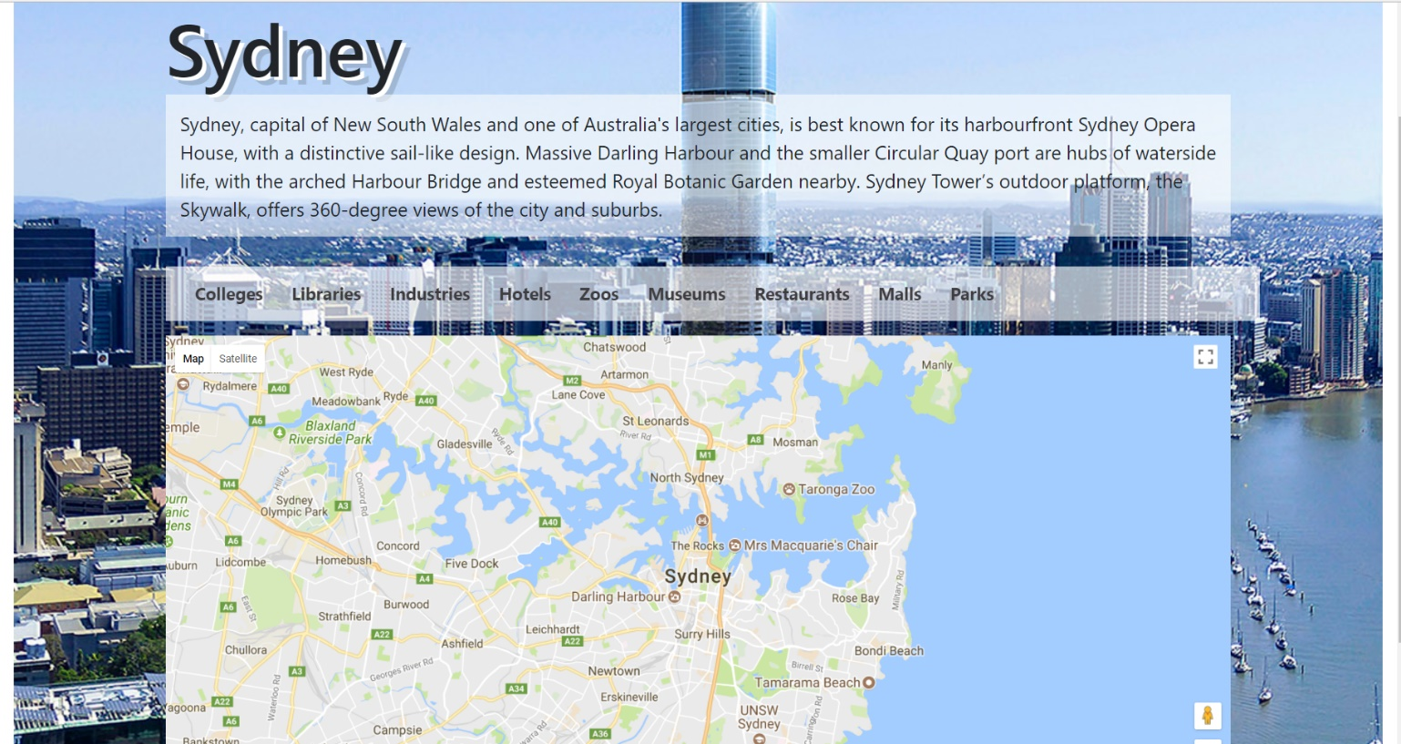
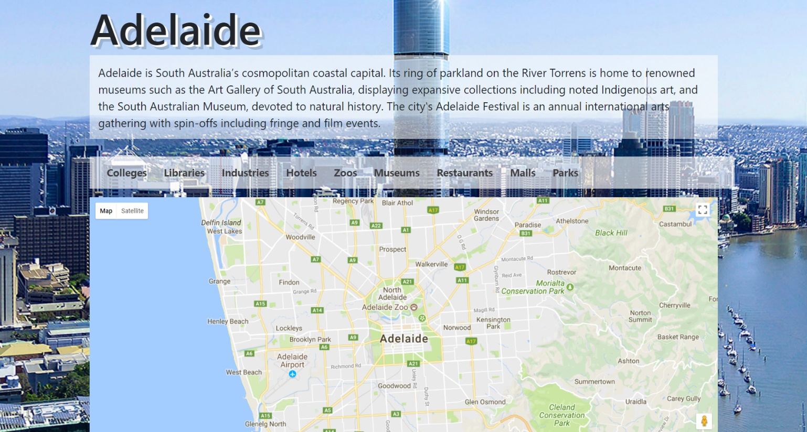

Test Case 3 Result: Malbourne |  |  |  | Test Case 4 Result: Canberra

